Cover
Reference: WCO Data Model
Version: 3.11.0.dev.qa.final
Author: WCO
Date: 2021


WCO Data Model version 3.11.0.dev.qa.final
Information Packages
Declaration
Created by S. Bootsma

Copyright © 2021 World Customs Organization.
All rights reserved. Requests and inquiries concerning translation, reproduction and adaptation rights should be addressed to copyright@wcoomd.org.

Intro Derived IPs
1 Advanced Electronic Information package (AEI DIP) based on SAFE Framework FoS
1.1 Introduction
The following tables define the mapping between the SAFE data elements and the WCO Data Model 3.60. This mapping is presented in the form of a Derived Information Package based on the Declaration Base Information Package.
This table was built by volunteer members [US, RU, CA, EU (through MS), JP, KR, IL, NA, NG] by submitting their individual advance electronic information requirements and mapping these to the SAFE data elements. The resultant mappings are stored in the Derived Information Package in the form of usage notes which define how each element is used in these countries/regions.
Logistics versus Commercial data issues have been considered during the building of this AEI DIP. The objective has been to categorise the data elements into declaration-related, trade contract-related and transport contract-related data. This categorisation is included in the spreadsheet as D, L or C.
The following abbreviations are used in the Usage table:
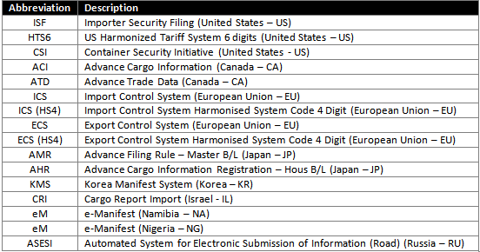

For UML Diagram see Section 3.2 (UmlDiagrams (html))

2 API (Advance Passenger Information)
2.1 Introduction

For UML Diagram see Section 3.2 (UmlDiagrams (html))

3 DV1 (Declaration of value)
3.1 Introduction
The DV1 is a form accompanying the customs declaration where it is necessary to establish the customs value.
This Derived Information Package describes the WCO Data Model structure to be used in case of a DV1. It also contains the references to the DV1 box numbers and names.
In paragraph 3.2 and 3.3 you will find the DV1 form, to which is referred in the cross reference.

For UML Diagram see Section 3.2 (UmlDiagrams (html))

3.2 DV1 (front)
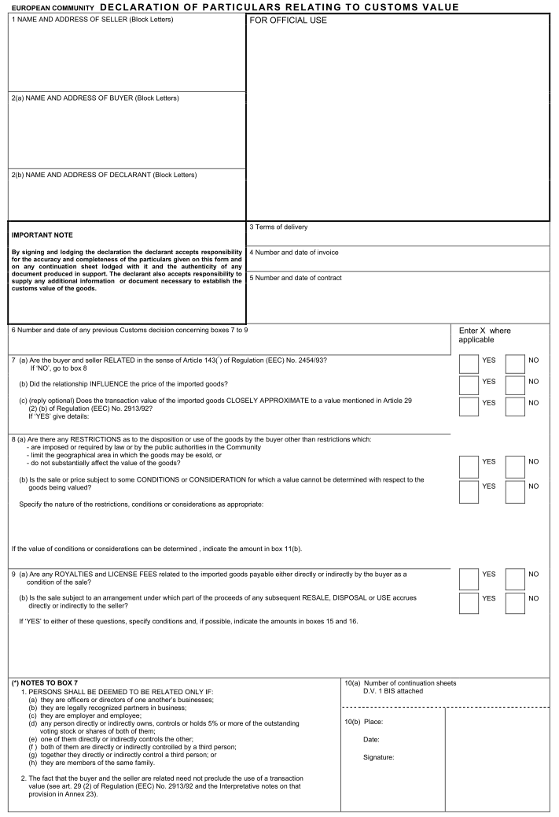

3.3 DV1 (back)
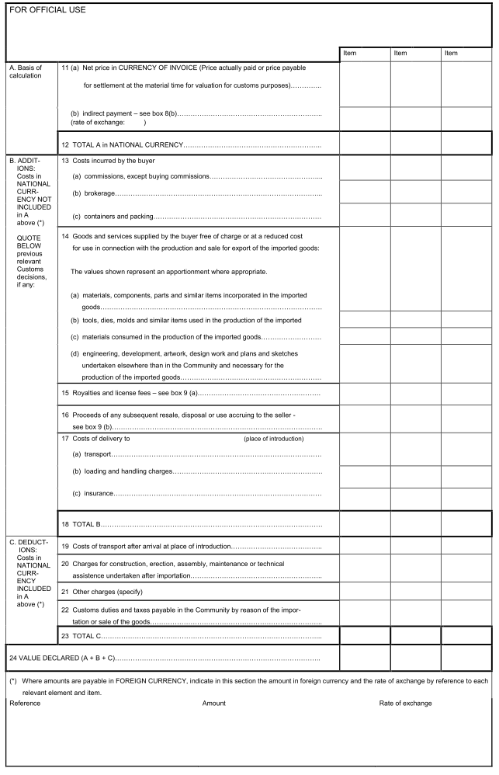

4 Immediate Release Guidelines
4.1 Introduction
The WCO developed a set of release/clearance procedures in early 1990 to assist both Customs and trade with expediting the clearance of large number of small or negligible value goods across borders that were primarily being carried by courier and express mail services. These Guidelines operated on the principle of information being provided by the operator to Customs in advance of the arrival of the goods. The Guidelines also provided categorization of goods. It also identified a set of data that was to be provided for grant of release of goods under these categories as well as procedures to be followed, including the conclusion of MOU's between the Customs and trade for the implementation of these Guidelines and the procedures contained in them.
Subsequent to the revision of the Kyoto Convention and other developments such as the Data Model and taking into account other issues of concern to both the Customs and trade the original Guidelines were revised and updated. The previous version of the revised Guidelines known as the «Immediate Release Guidelines» (IRG) was adopted in March 2003 by the Permanent Technical Committee (PTC).
Several sessions of the PTC had considered and discussed the need of updating again the IRG in order to adapt it to current developments in this area. During its 201st/202nd Sessions held in November 2013, the PTC took note of latest developments and of Members’ contributions to the work of updating the IRG for certain types of consignments. The current version of the IRG was adopted by the PTC in March 2014 and includes contributions and national practices provided by Members replying to a survey conducted by the WCO Secretariat in 2013.
For further information you can download the guidelines from the WCO website.
This Derived Information Package contains the subset of the WCO Data Model to be used for each of the categories of the Immediate Release Guidelines.
It can help you to exchange information with other parties by using the XML Schemas or EDIFACT GOVCBR message.
Meaning of the columns with Immediate Release Guidelines Category:
· Category 1 – Correspondence and documents
· Category 2 –Low value consignments for which no duties and taxes are collected
· Category 3 - Low value dutiable consignments

For UML Diagram see Section 3.2 (UmlDiagrams (html))

6 PLACI
5.1 Introduction
Pre-loading advance cargo information. Further introduction to be added!

For UML Diagram see Section 3.2 (UmlDiagrams (html))

5 Maritime Single window
5.1 Introduction
The MSW Derived Information Package is based on the EU Maritime Single Window ()MSW Message Implementation Guidelines (MIG). This MIG is a result of EU Directive 2010/65/EU on reporting formalities for ships arriving in and/or departing from ports of the EU Member States.
5.2 Usage
The following table gives an overview of the declarations used in the Maritime Single Window:
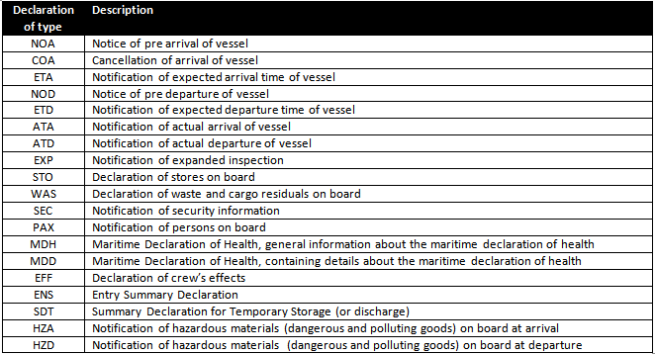

On top of these types of declarations special types are recognised:

For UML Diagram see Section 3.2 (UmlDiagrams (html))

6 Single Administrative Document
6.1 Introduction
Introduced in 1988, SAD legislation needed to take full account of today's environment and adapt with the evolution that occurred since its inception.
These legislative changes translate into an overall reduction of data requirements by 26% and by 43 % of the elements that Member States can decide to require on a national basis ("optional" elements).
These amount to 28 and 45 % for export and to 24 and 41 % for release for free circulation respectively.
The amount of data non-coded at EU level has dropped by 60 to 75 % according to the procedure concerned.

In the EU, the single administrative document was used within the framework of trade with third countries and for the movement of non-EU goods within the EU.
Following the conclusion, in 1987, of the Convention on the simplification of formalities in trade in goods, it also applies to the territories of the EFTA countries (Switzerland , Norway and Iceland), to Turkey (since 1 December 2012), to the former Yugoslav Republic of Macedonia (since 1 July 2015) and to trade between these countries and the EU.
Finally, it remains applicable in certain extremely limited cases of movement of EU goods inside the EU (Possible individual measures for the period of transition following the accession of new Member States on 1 May 2004, trade with parts of the customs territory of the EU which are not part of the fiscal territory of the Member States.

The SAD information and form is used more or less the same in several parts of the world. However, this Derived Informastion Package only offers you information on the SARS (South African Revenue Service) SAD.

The EU SAD DIP is/will be replaced by the EUCDM DIP. Further information is available from the TAXUD website (https://ec.europa.eu/taxation_customs/business/union-customs-code_en), where you can also find a link to the html publication.

For UML Diagram see Section 3.2 (UmlDiagrams (html))

7 UPU Customs Post Messages
7.1 Introduction
The WCO–UPU Customs–Post standard electronic messages are based on the WCO Data Model.
The Data Model from version 3.4 on contains a Derived Information Package explaining how the WCO–UPU Customs–Post messages use the Data Model.
It also contains a mapping to the GOVCBR message, that can be used incombination with the WCO Data Model.

WCO–UPU Customs–Post EDI message
The UPU and WCO have jointly developed Customs–Post EDI messages (CUSITM and CUSRSP messages) in line with the WCO Data Model.
CUSITM pre-advice messages are intended to be sent from the post office of export receiving an item, to the Customs authority in the country of import.
Such messages provide Customs with pre-advice regarding an item, including the sender, addressee, contents, postage paid, and declared value. This information allows the Customs authority to decide whether or not an item should be held for security inspection, and whether taxes and duties should be assessed. CUSRSP messages, intended to be sent from a Customs authority to a post (usually in response to a CUSITM pre-advice message), advise the post on whether an item can be released for onward processing or whether it must be retained for security inspection or the assessment of taxes and duties.

Further information concerning the WCO UPU Postal Messages can be found in:
http://www.wcoomd.org/en/topics/key-issues/ecp-latest-proposal/~/media/DD237219CEB049C59F45456AE8F2B734.ashx

For UML Diagram see Section 3.2 (UmlDiagrams (html))

8 Valuation
8.1 Introduction
This Derived Information Package gives an overview of all information needed for Valuation purposes.

For UML Diagram see Section 3.2 (UmlDiagrams (html))

9 IMO FAL Compendium
9.1 Introduction
This Derived Information Package is based on work done by the IMO Expert Group on Data Harmonisation (EGDH) and is the basis for the Message Implementation Guide (also published by the WCO on the website). URL for this MIG: TO BE ADDED
Background information The IMO Compendium is a tool for software developers that design the systems needed to support transmission, receipt, and response via electronic data exchange of information required for the arrival, stay, and departure of the ship, persons, and cargo to a port. By harmonizing the data elements required during a port call and by standardizing electronic messages, the IMO Compendium facilitates the exchange of information ship to shore and the interoperability of single windows, reducing the administrative burden for ships linked to formalities in ports. The IMO Compendium consists of an IMO Data Set and IMO Reference Data Model agreed by the main organizations involved in the development of standards for the electronic exchange of information related to the FAL Convention: the World Customs Organization (WCO), the United Nations Economic Commission for Europe (UNECE) and International Organization for Standardization (ISO). Since July 2019, the IMO Expert Group on Data Harmonization (EGDH) is responsible for the technical maintenance of the IMO Compendium and for further expanding its data set and data model to areas beyond the FAL Convention, including exchange of logistics and operational port and shipping data.
History: · The IMO adopted the Convention on Facilitation of International Maritime Trafﬁc, the FAL Convention, in 1965. This provided standard paper-based forms for the necessary ship reporting formalities. · In 2001, the IMO FAL Committee approved the IMO Compendium. This was a description of how the paper-based forms could be digitalised using UN/EDIFACT. · In 2016 it was clear that a review of the compendium’s format was required. Maintenance by WCO: · The IMO requested the WCO to maintain the IMO Compendium. · WCO agreed to implement this ‘ eCompendium ’ but recognised that this mission needed a broader approach. · Co-operation with International Organization for Standardization (ISO) and United Nations Economic Commission for Europe(UNECE). Harmonization of Standards: · How to deal with existing standards? · IMO Reference Data Model · Expert Group on Data Harmonisation (EGDH)

For UML Diagram see Section 3.2 (UmlDiagrams (html))

